Sheet1
 | Function | Description | Scenario | Results | Pictures
1 | Delete | Delete restaurant which has a different attribute name than "id". "wasid" instead of "id" | 1. Create a restaurant. Type in attribute name "id", anything other than "id" (I wrote "wasid") 2. View restaurants list via Get all restaurants 3. Delete restaurant with the id named "wasid" | Code 404 Deletion failed, id wasn't found
2 | Delete | Delete multiple restaurants which have similar "id" | 1. Create multiple restaurants with the same id 2. View restaurants list via Get all restaurants 3. Delete once using the id as the restaurants 4. View restaurants list via Get all restaurants 5. Delete once again using the same id 6. View restaurants list via Get all restaurants | Code 200 The first restaurant from the top, which had the desired id, was deleted
3 | Add | Add two restaurants: 1 with a score higher than 5 1 with a score lower than 0 | 1. Create a restaurant with a score higher than 5 (I used 300) 2. Create a restaurant with a score lower than 0 (I Used -300) | Code 200 Works perfectly | 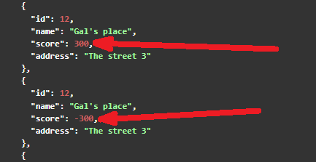
4 | Add | Add two identical restaurants (sharing the same values) | 1. Create two restaurants with the same values on every field 2. View restaurants list via get all restaurants | 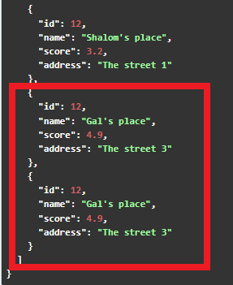 Code 200 Works perfectly
5 | Add | Add two restaurants with similar score but one of them is string | 1. Create two restaurants. One of the scores will be written with string (I Used 300 and "300") 2.View restaurants list via get all restaurants | Code 200 Works perfectly | 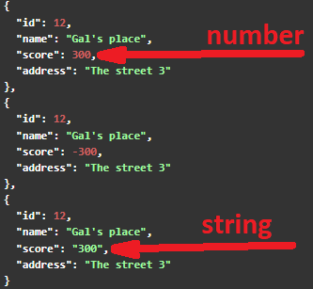
6 | Add | Add a restaurant. Type in attribute name "id", anything other than "id" | 1. Create a restaurant. Type in attribute name "id", anything other than "id" (I Used "wasid") 2. View restaurants list via Get all restaurants | Code 200 Works perfectly | 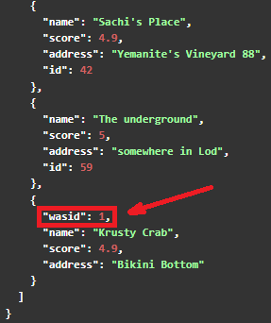
7 | Add | Add restaurant with an id of 99999999999999999000 (17 nines and 3 zero) | 1. Create a restaurant with the requested id 2. View restaurants list via Get all restaurants | Code 200 The id rounded itself to (1 one and 20 zero) | 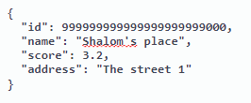 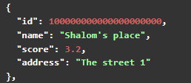
8 | Edit | Edit and set restaurant's address as null | 1. Put a choosen id into the Edit field 2. Set address as null (not "null") 3. View restaurants list via Get all restaurants | Code 200 It should stop user from setting address as null | 